M04
Speaker: M04 | Intelligibility: Very Low | Speech Vision Accuracy: 10.94

Model Name | Layers Frozen | Accuracy | Loss graph | Training accuracy graph
M04_E1.h5 | Encoder 1 | 7 | 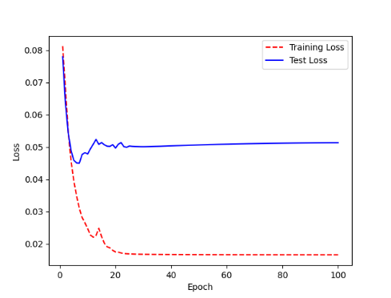 | 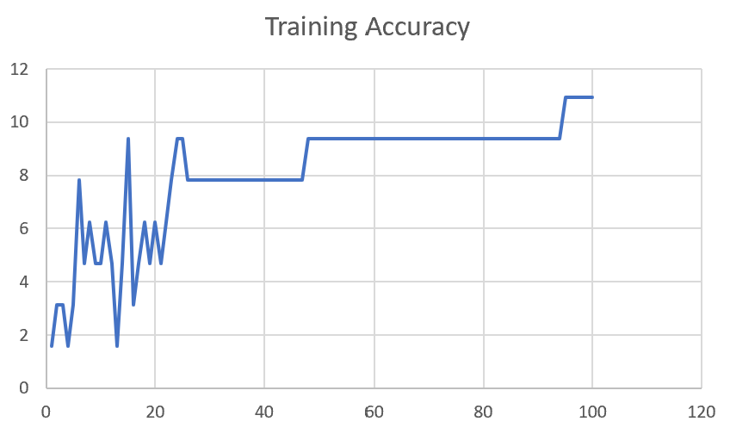

M04_E12.h5 | Encoder 12 | 5 | 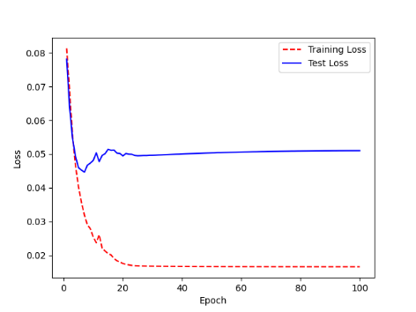 | 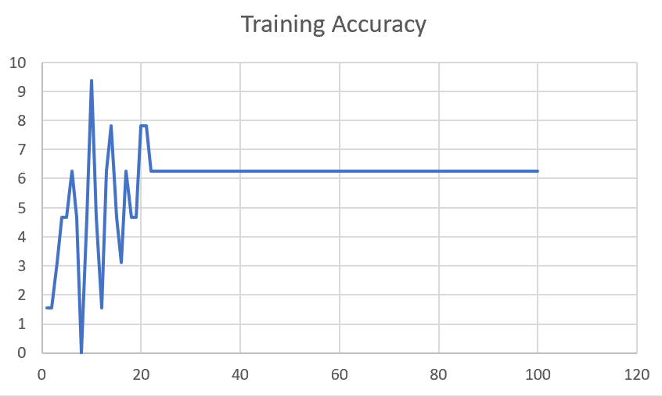

M04_E123 | Encoder 123 | 7 | 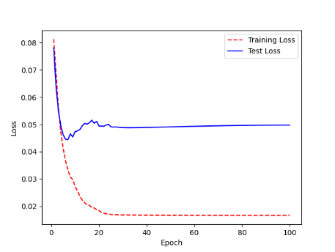 | 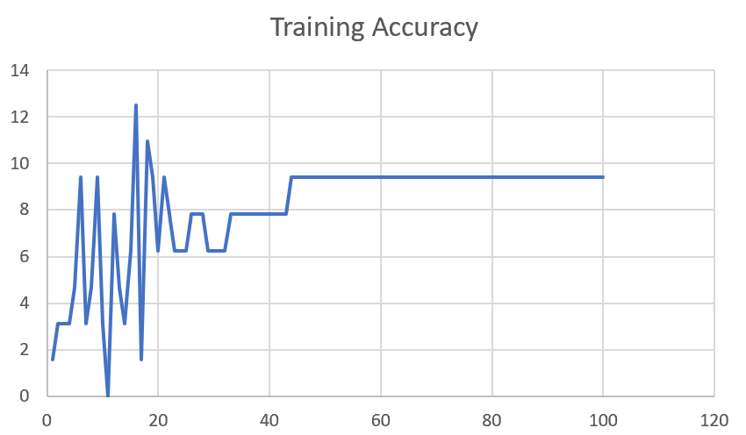

M04_E1234 | Encode 1234 | 6 |  | 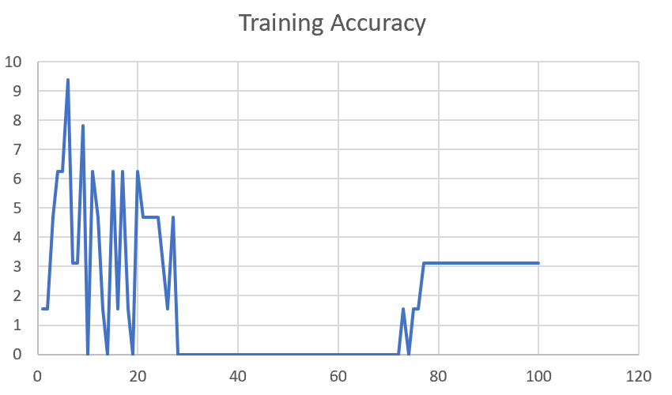

M04_E12345 | Encode 12345 | 6 | 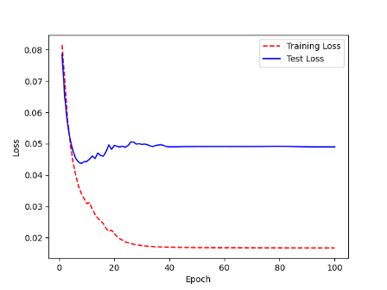 | 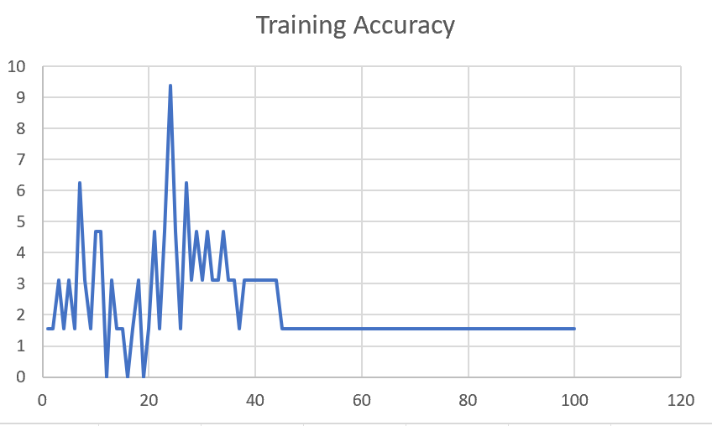

M04_TE | Token Embeddings | 7 | 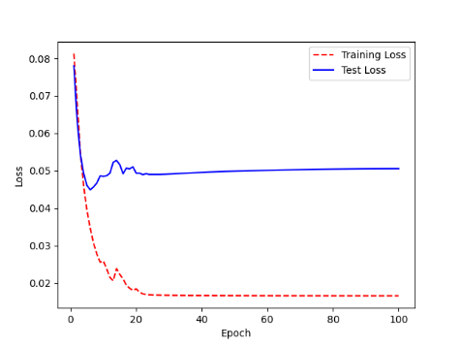 | 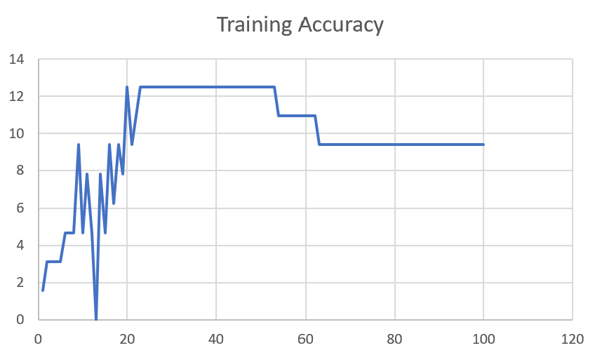

M04_T3+D123 | Token Embeddings + Decoder 1 | 6 | 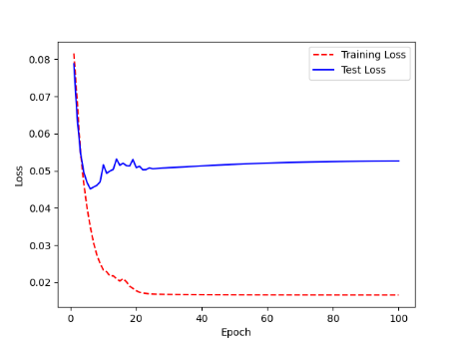 | 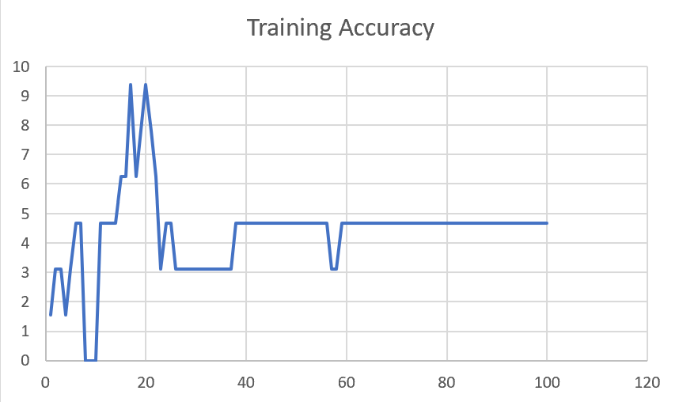

M04_T3+D12 | Token Embeddings + Decoder 12 | 6 | 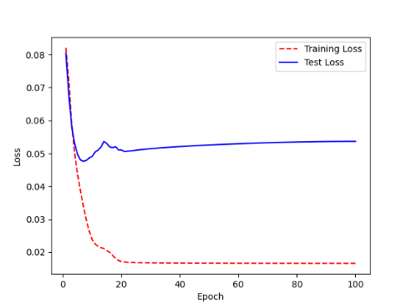 | 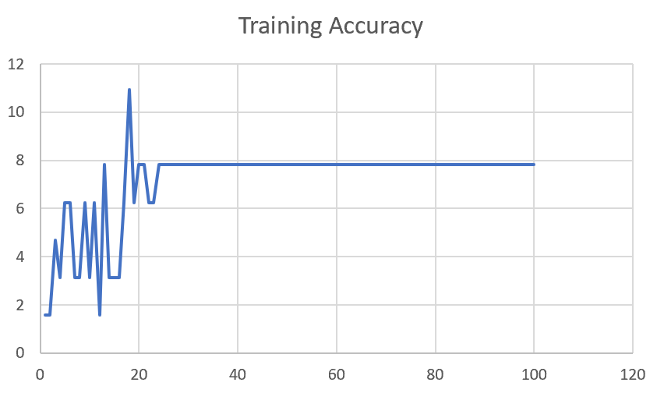

M04_T3+D1 | Token Embeddings + Decoder 123 | 5 | 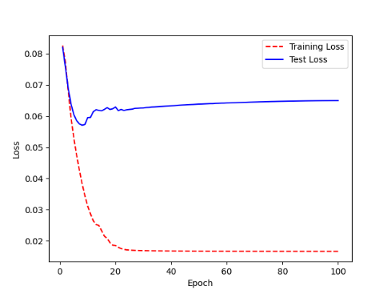 | 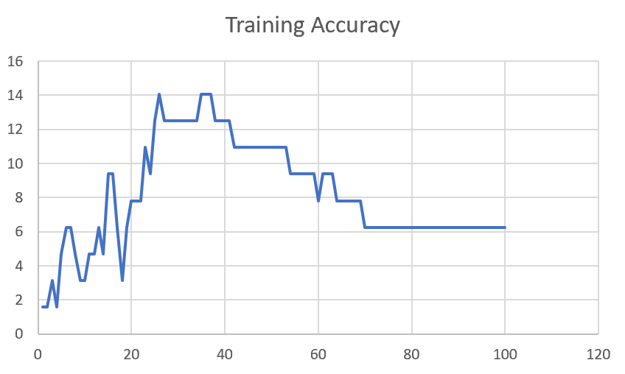

F02
Speaker: F02 | Intelligibility: Low | Speech Vision Accuracy: 67.02

Model Name | Layers Frozen | Accuracy | Loss graph | Training accuracy graph
F02_E1.h5 | Encoder 1 | 47 |  | 

F02_E12.h5 | Encoder 12 | 45 |  | 

F02_E123 | Encoder 123 | 47 |  | 

F02_E1234 | Encode 1234 | 43 |  | 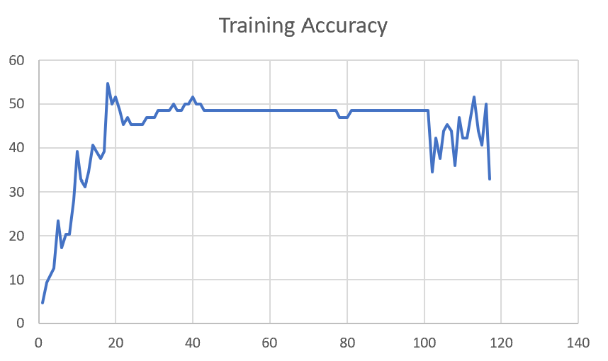

F02_E12345 | Encode 12345 | 41 | 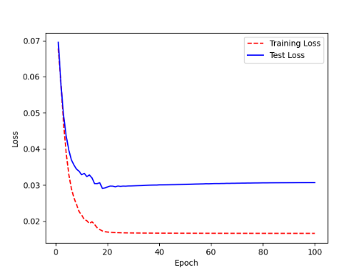 | 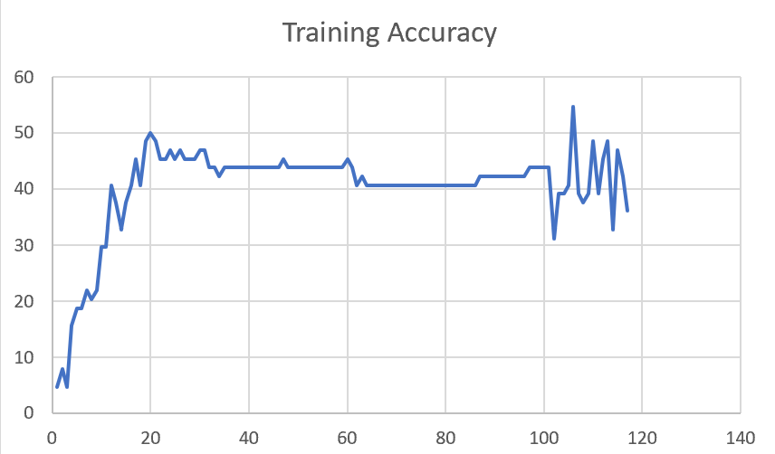

F02_t3 | Token Embeddings | 52 | 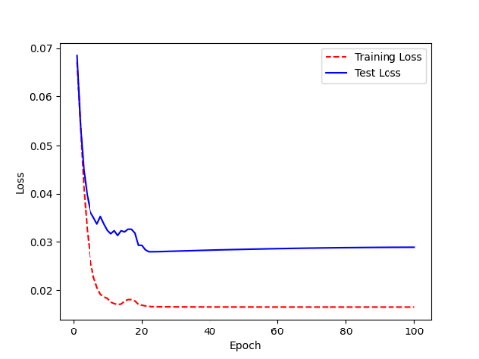 | 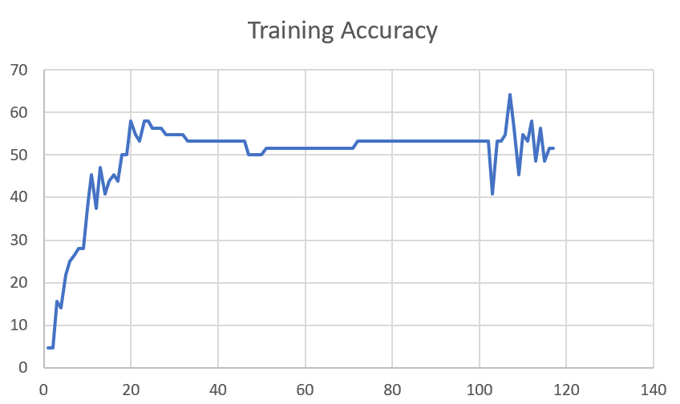

F02_T3+D123 | Token Embeddings + Decoder 123 | 45 | 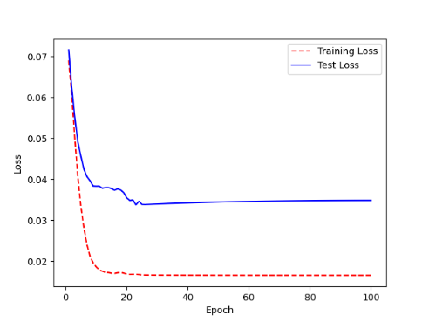 | 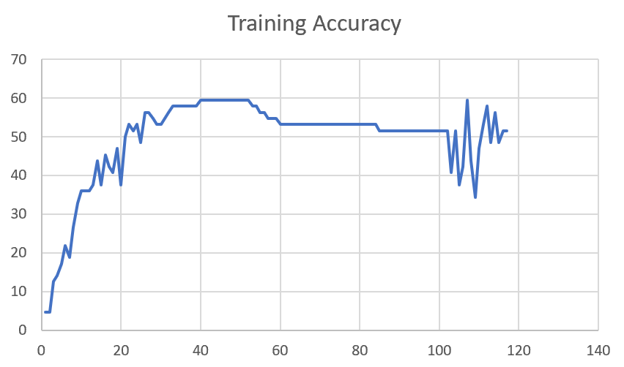

F02_T3+D12 | Token Embeddings + Decoder 12 | 50 | 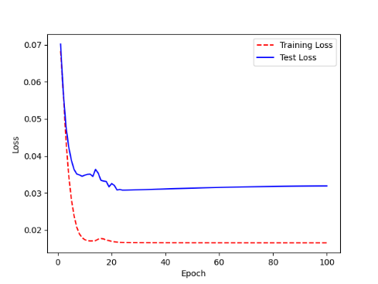 | 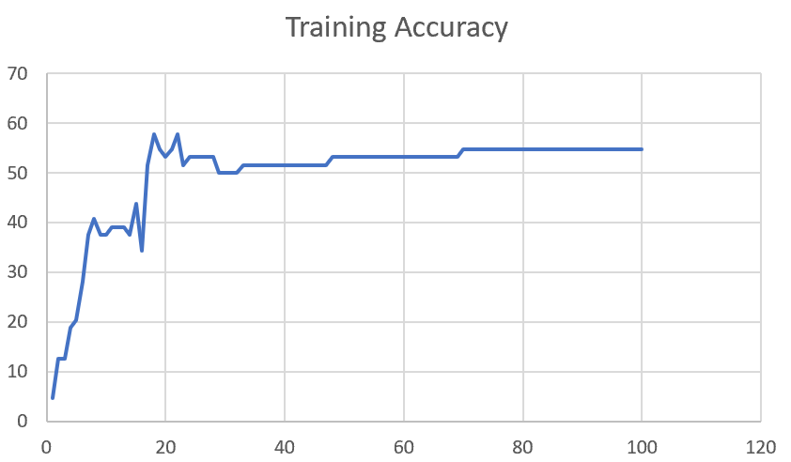

F02_T3+D1 | Token Embeddings + Decoder 1 | 50 | 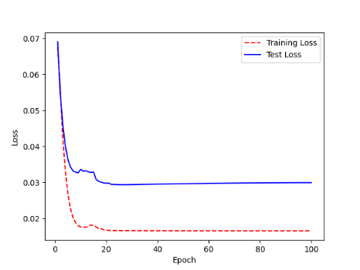 | 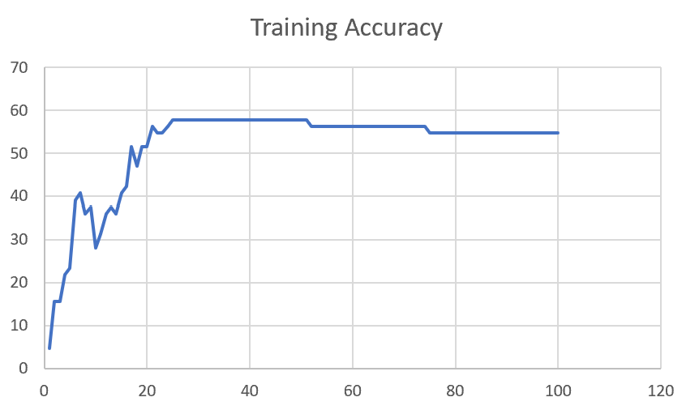

F03
Speaker: F03 | Intelligibility: Very Low | Speech Vision Accuracy: 32.47

Model Name | Layers Frozen | Accuracy | Loss graph | Training accuracy graph
F03_E1.h5 | Encoder 1 | 22 | 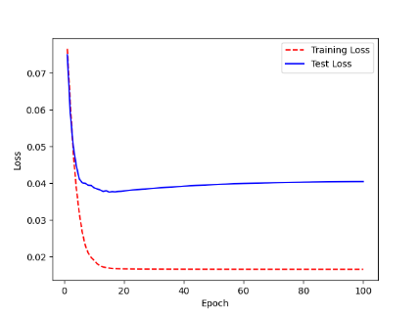 | 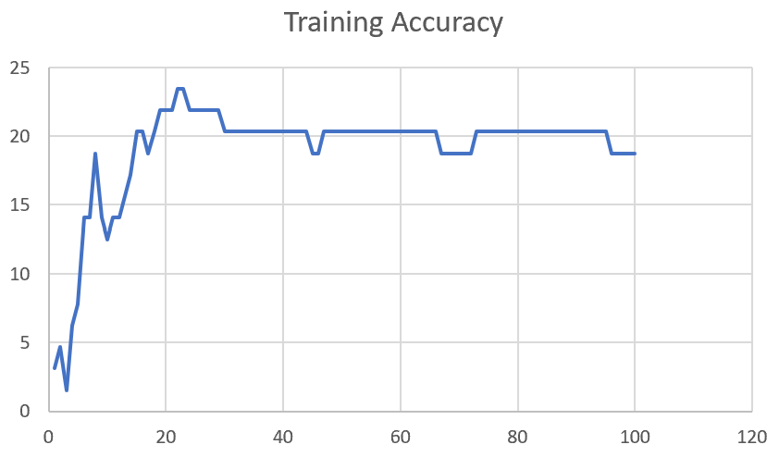

F03_E12.h5 | Encoder 12 | 25 | 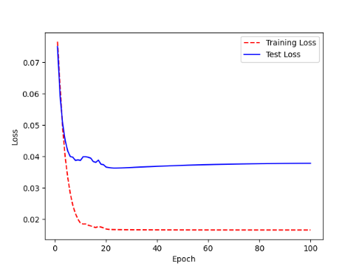 | 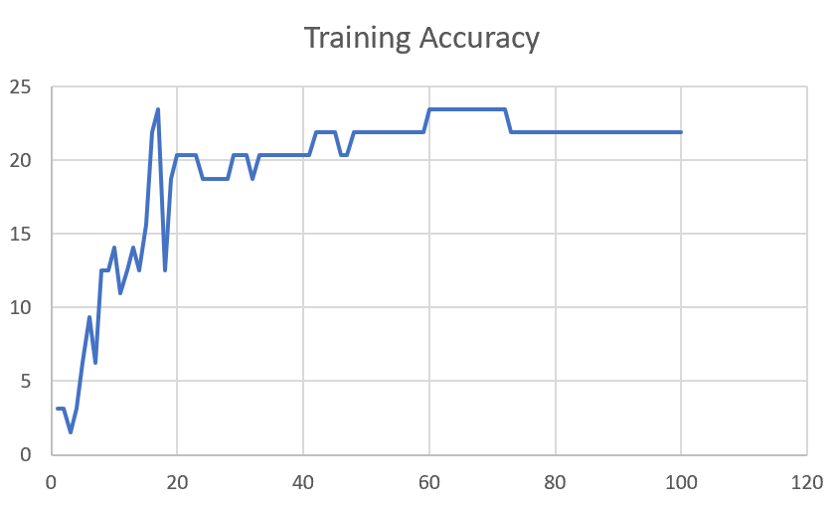

F03_E123 | Encoder 123 | 23 | 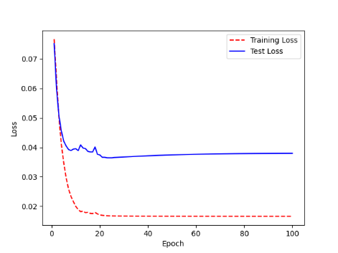 | 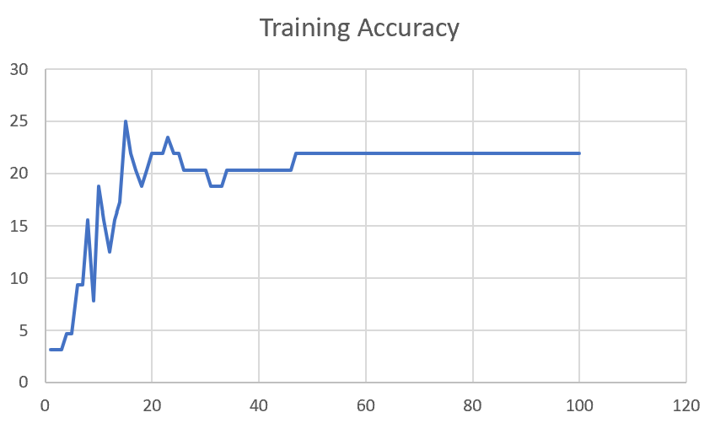

F03_E1234 | Encode 1234 | 20 | 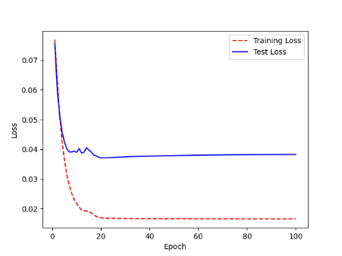 | 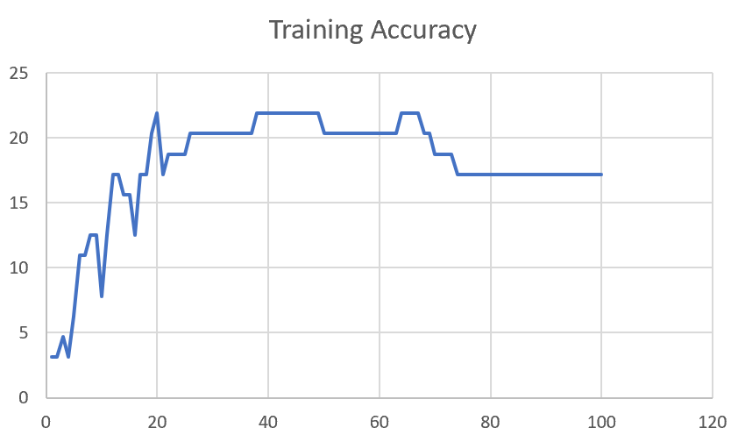

F03_E12345 | Encode 12345 | 19 |  | 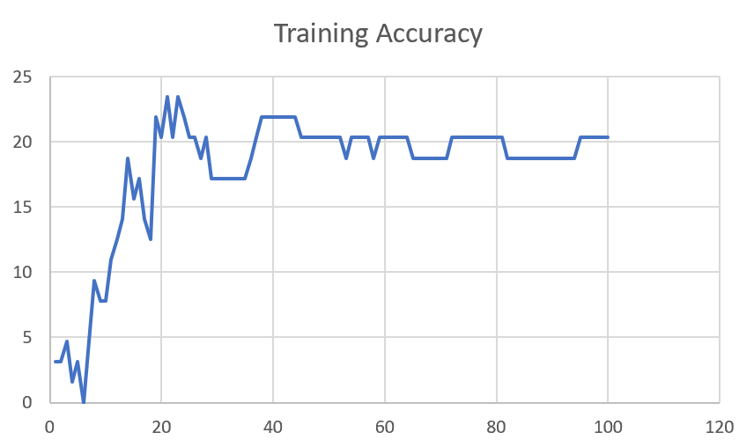

F03_TE | Token Embeddings | 28 |  | 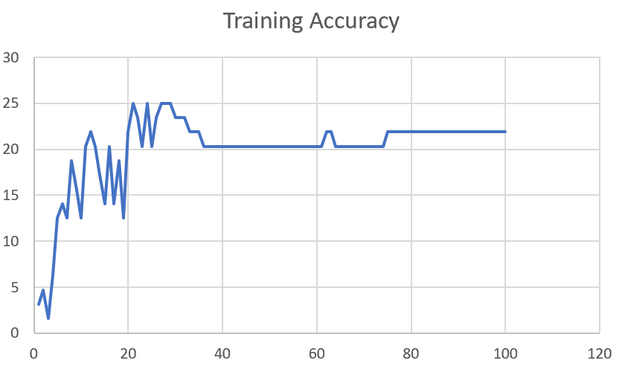

F03_T3+D123 | Token Embeddings + Decoder 1 | 29 |  | 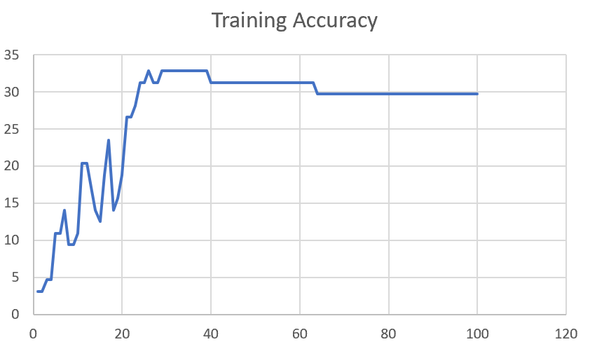

F03_T3+D12 | Token Embeddings + Decoder 12 | 25 | 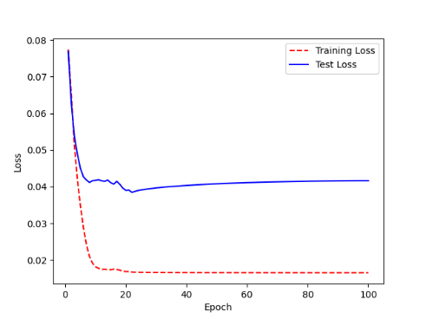 | 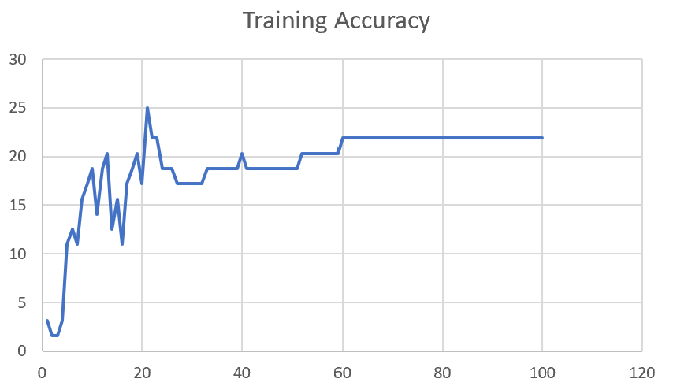

F03_T3+D1 | Token Embeddings + Decoder 123 | 22 | 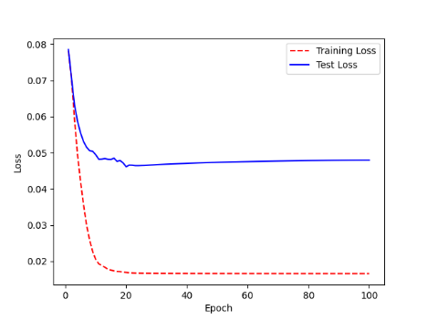 | 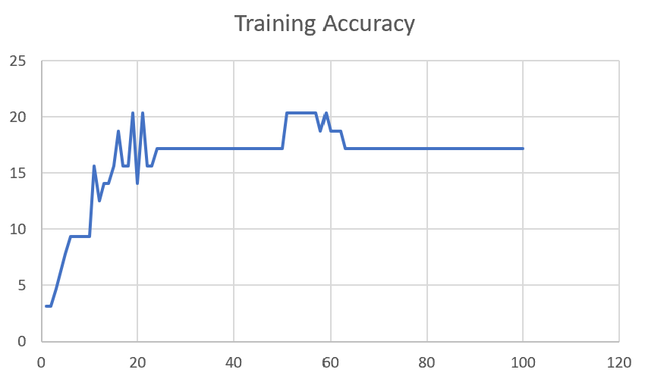

M12
Speaker: M12 | Intelligibility: Very Low | Speech Vision Accuracy: 40.65

Model Name | Layers Frozen | Accuracy | Loss graph | Training accuracy graph
M12_E1.h5 | Encoder 1 | 17 | 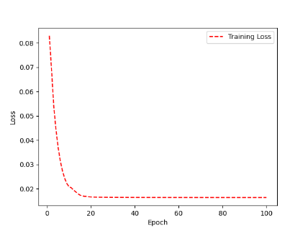 | 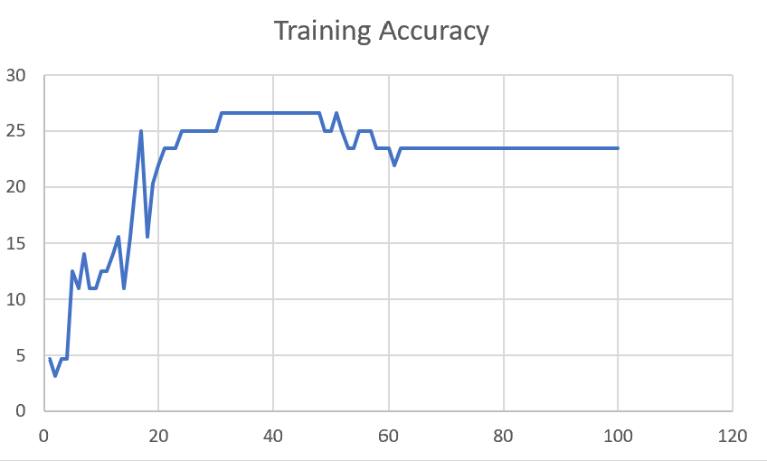

M12_E12.h5 | Encoder 12 | 18 |  | 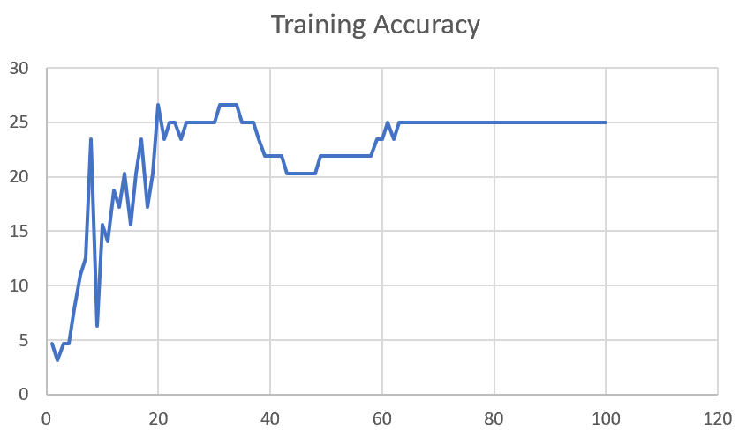

M12_E123 | Encoder 123 | 18 | 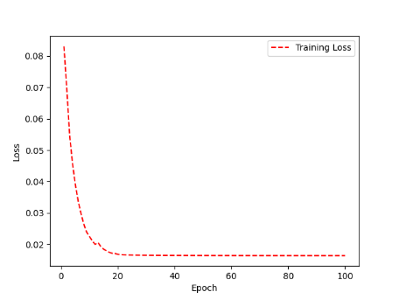 | 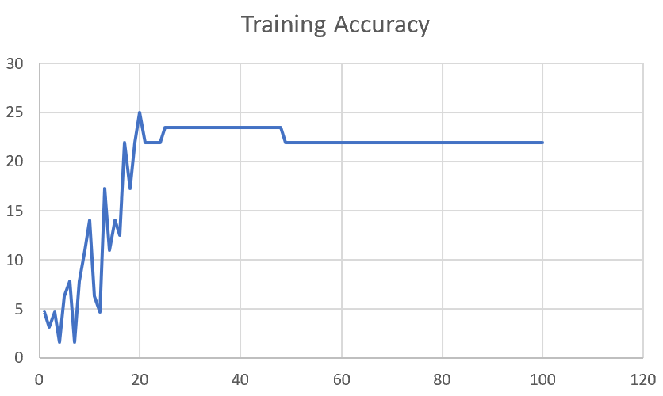

M12_E1234 | Encode 1234 | 14 | 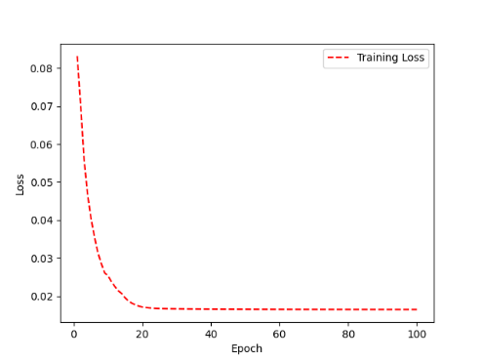 | 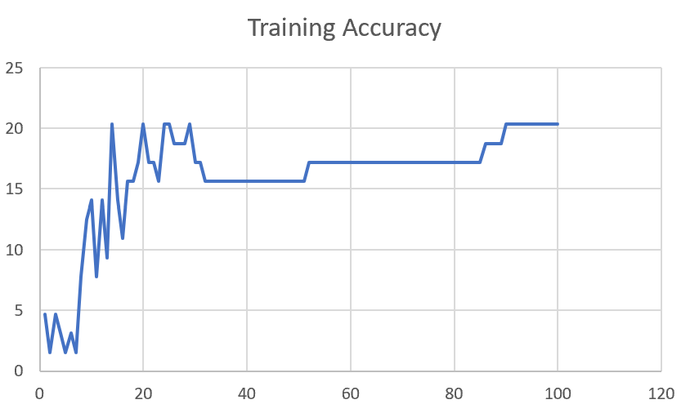

M12_E12345 | Encode 12345 | 16 |  | 

M12_TE | Token Embeddings | 19 |  | 

M12_T3+D123 | Token Embeddings + Decoder 1 | 17 |  | 

M12_T3+D12 | Token Embeddings + Decoder 12 | 16 |  | 

M12_T3+D1 | Token Embeddings + Decoder 123 | 13 |  | 

M12_D3 | Decoder 3 | 15 |  | 

M01
Speaker: M01 | Intelligibility: Very Low | Speech Vision Accuracy: 28.37

Model Name | Layers Frozen | Accuracy | Loss graph | Training accuracy graph
M01_E1.h5 | Encoder 1 | 24 |  | 

M01_E12.h5 | Encoder 12 | 22 |  | 

M01_E123 | Encoder 123 | 18 |  | 

M01_E1234 | Encode 1234 | 15 |  | 

M01_E12345 | Encode 12345 | 17 |  | 

M01_TE | Token Embeddings | 21 |  | 

M01_T3+D123 | Token Embeddings + Decoder 1 | 28 |  | 

M01_T3+D12 | Token Embeddings + Decoder 12 | 22 |  | 

M01_T3+D1 | Token Embeddings + Decoder 123 | 20 |  | 

M01_D3 | Decoder 3 | 26 |  | 

M07
Speaker: M07 | Intelligibility: Low | Speech Vision Accuracy: 69.46

Model Name | Layers Frozen | Accuracy | Loss graph | Training accuracy graph
M07_E1.h5 | Encoder 1 | 49 |  | 

M07_E12.h5 | Encoder 12 | 41 |  | 

M07_E123 | Encoder 123 | 39 |  | 

M07_E1234 | Encode 1234 | 35 |  | 

M07_E12345 | Encode 12345 | 38 |  | 

M07_TE | Token Embeddings | 49 |  | 

M07_T3+D123 | Token Embeddings + Decoder 1 | 47 |  | 

M07_T3+D12 | Token Embeddings + Decoder 12

M07_T3+D1 | Token Embeddings + Decoder 123

M01_D3 | Decoder 3

Sheet1
 |  |  | Training Accuracy
0 | 0.921875 | 1 | 7.8125
1 | 0.875 | 2 | 12.5
2 | 0.875 | 3 | 12.5
3 | 0.8125 | 4 | 18.75
4 | 0.75 | 5 | 25
5 | 0.734375 | 6 | 26.5625
6 | 0.671875 | 7 | 32.8125
7 | 0.640625 | 8 | 35.9375
8 | 0.640625 | 9 | 35.9375
9 | 0.640625 | 10 | 35.9375
10 | 0.65625 | 11 | 34.375
11 | 0.609375 | 12 | 39.0625
12 | 0.625 | 13 | 37.5
13 | 0.640625 | 14 | 35.9375
14 | 0.5625 | 15 | 43.75
15 | 0.515625 | 16 | 48.4375
16 | 0.609375 | 17 | 39.0625
17 | 0.453125 | 18 | 54.6875
18 | 0.515625 | 19 | 48.4375
19 | 0.4375 | 20 | 56.25
20 | 0.453125 | 21 | 54.6875
21 | 0.4375 | 22 | 56.25
22 | 0.4375 | 23 | 56.25
23 | 0.453125 | 24 | 54.6875
24 | 0.453125 | 25 | 54.6875
25 | 0.484375 | 26 | 51.5625
26 | 0.5 | 27 | 50
27 | 0.5 | 28 | 50
28 | 0.515625 | 29 | 48.4375
29 | 0.515625 | 30 | 48.4375
30 | 0.515625 | 31 | 48.4375
31 | 0.515625 | 32 | 48.4375
32 | 0.515625 | 33 | 48.4375
33 | 0.515625 | 34 | 48.4375
34 | 0.515625 | 35 | 48.4375
35 | 0.515625 | 36 | 48.4375
36 | 0.515625 | 37 | 48.4375
37 | 0.515625 | 38 | 48.4375
38 | 0.515625 | 39 | 48.4375
39 | 0.515625 | 40 | 48.4375
40 | 0.515625 | 41 | 48.4375
41 | 0.515625 | 42 | 48.4375
42 | 0.515625 | 43 | 48.4375
43 | 0.515625 | 44 | 48.4375
44 | 0.515625 | 45 | 48.4375
45 | 0.515625 | 46 | 48.4375
46 | 0.515625 | 47 | 48.4375
47 | 0.515625 | 48 | 48.4375
48 | 0.515625 | 49 | 48.4375
49 | 0.515625 | 50 | 48.4375
50 | 0.515625 | 51 | 48.4375
51 | 0.515625 | 52 | 48.4375
52 | 0.515625 | 53 | 48.4375
53 | 0.515625 | 54 | 48.4375
54 | 0.515625 | 55 | 48.4375
55 | 0.5 | 56 | 50
56 | 0.5 | 57 | 50
57 | 0.5 | 58 | 50
58 | 0.5 | 59 | 50
59 | 0.5 | 60 | 50
60 | 0.5 | 61 | 50
61 | 0.5 | 62 | 50
62 | 0.5 | 63 | 50
63 | 0.5 | 64 | 50
64 | 0.5 | 65 | 50
65 | 0.5 | 66 | 50
66 | 0.5 | 67 | 50
67 | 0.5 | 68 | 50
68 | 0.5 | 69 | 50
69 | 0.5 | 70 | 50
70 | 0.5 | 71 | 50
71 | 0.5 | 72 | 50
72 | 0.5 | 73 | 50
73 | 0.5 | 74 | 50
74 | 0.5 | 75 | 50
75 | 0.5 | 76 | 50
76 | 0.5 | 77 | 50
77 | 0.5 | 78 | 50
78 | 0.5 | 79 | 50
79 | 0.5 | 80 | 50
80 | 0.5 | 81 | 50
81 | 0.5 | 82 | 50
82 | 0.5 | 83 | 50
83 | 0.5 | 84 | 50
84 | 0.5 | 85 | 50
85 | 0.5 | 86 | 50
86 | 0.5 | 87 | 50
87 | 0.5 | 88 | 50
88 | 0.5 | 89 | 50
89 | 0.5 | 90 | 50
90 | 0.5 | 91 | 50
91 | 0.5 | 92 | 50
92 | 0.5 | 93 | 50
93 | 0.5 | 94 | 50
94 | 0.5 | 95 | 50
95 | 0.5 | 96 | 50
96 | 0.5 | 97 | 50
97 | 0.5 | 98 | 50
98 | 0.5 | 99 | 50
99 | 0.5 | 100 | 50
<__main__.DisplayOutputs object at 0x7fa841765430> | 0.5 | #VALUE! | 50
<__main__.DisplayOutputs object at 0x7fa841765430> | 0.515625 | #VALUE! | 48.4375
<__main__.DisplayOutputs object at 0x7fa841765430> | 0.546875 | #VALUE! | 45.3125
<__main__.DisplayOutputs object at 0x7fa841765430> | 0.5 | #VALUE! | 50
<__main__.DisplayOutputs object at 0x7fa841765430> | 0.484375 | #VALUE! | 51.5625
<__main__.DisplayOutputs object at 0x7fa841765430> | 0.5 | #VALUE! | 50
<__main__.DisplayOutputs object at 0x7fa841765430> | 0.59375 | #VALUE! | 40.625
<__main__.DisplayOutputs object at 0x7fa841765430> | 0.578125 | #VALUE! | 42.1875
<__main__.DisplayOutputs object at 0x7fa841765430> | 0.53125 | #VALUE! | 46.875
<__main__.DisplayOutputs object at 0x7fa841765430> | 0.5625 | #VALUE! | 43.75
<__main__.DisplayOutputs object at 0x7fa841765430> | 0.546875 | #VALUE! | 45.3125
<__main__.DisplayOutputs object at 0x7fa841765430> | 0.5625 | #VALUE! | 43.75
<__main__.DisplayOutputs object at 0x7fa841765430> | 0.5625 | #VALUE! | 43.75
<__main__.DisplayOutputs object at 0x7fa841765430> | 0.484375 | #VALUE! | 51.5625
<__main__.DisplayOutputs object at 0x7fa841765430> | 0.5 | #VALUE! | 50
<__main__.DisplayOutputs object at 0x7fa841765430> | 0.53125 | #VALUE! | 46.875
<__main__.DisplayOutputs object at 0x7fa841765430> | 0.45901639344 | #VALUE! | 54.098360656
<__main__.DisplayOutputs object at 0x7fcfe04bb910> | 0.640625
<__main__.DisplayOutputs object at 0x7fcfe04bb910> | 0.50819672131

